Sheet2
Anacostia |  |  |  | Columbia Heights
 |  |  | Access within 1 mile |  |  |  | Anacostia

1101 Howard Place, Southeast |  |  |  | 3304 Holmead Place Northeast |  |  | Pop/store
 |  |  | Grocery Stores |  |  | 2414 | 402.33333333
 |  |  |  |  |  | 4277 | 213.85
 | 603.5 |  |  |  | 213.85
 | People per Grocery Store |  |  |  | People per Grocery Store

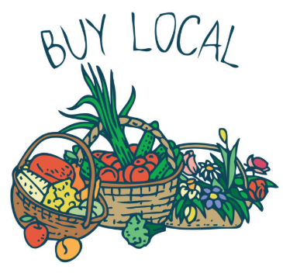
 |  |  | Farmer's Markets
 | 0 |  |  |  | 3

 |  |  | Liquor Stores
 | 2 | 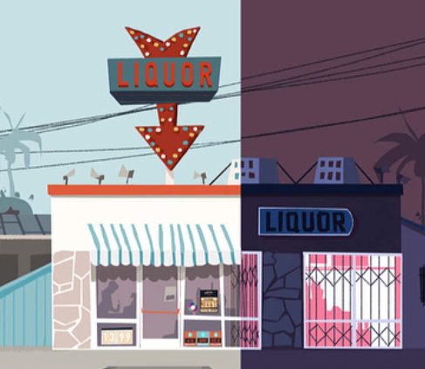 |  |  | 9

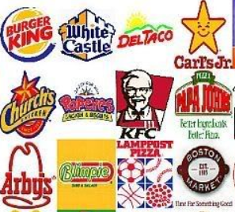
 |  | Fast Food Restaurants
 | 7 |  |  |  | 4

